Sheet1
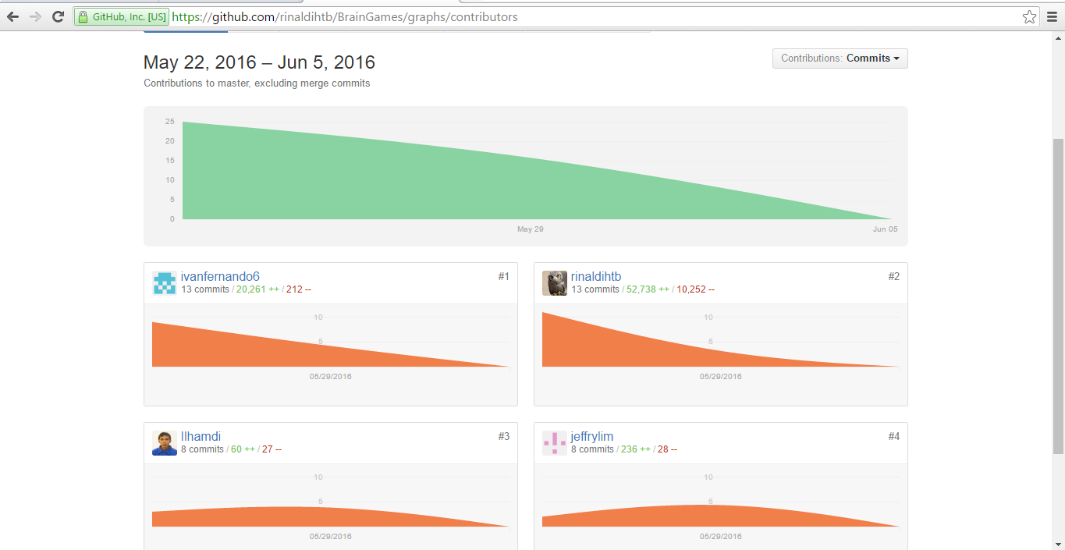

Burndown chart
Ivan Fernando | 13
M. Rinaldi Hutabarat | 13
Ilhamdi | 8
Jeffry Lim | 8

